Sheet1
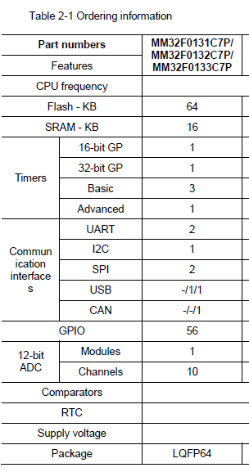

 |  | PIC18F6680-I/PT | MM32F0133C7P（Alt.)
Pin No. | Pin Name | Pin Assignment | Pin name | Pin Assignment
1 | RE1/-WR/AD9 | LCD_WR | PD7
2 | RE0/-RD/AD8 | LCD_RD | PC13 | BACKLIGHT
3 | RG0/CANTX1 | CAN_TX | PC14/OSC32_IN
4 | RG1/CANTX2 | --- | PC15/OSC32_OUT
5 | RG2/CANRX | CAN_RX | PD0/OSC_IN | OSCI (8MHz)
6 | RG3 | --- | PD1/OSC_OUT | OSCO (8MHz)
7 | RG5/-MCLR/VPP | PROG_MCLR | nRST | nRST
8 | RG4/P1D | --- | PC0 | LCD_D0
9 | VSS | VSS | PC1 | LCD_D1
10 | VDD | VDD | PC2 | LCD_D2
11 | RF7/-SS | --- | PC3 | LCD_D3
12 | RF6/AN11/C1IN- | --- | VSSA
13 | RF5/AN10/C1IN+/CVREF | CS3 | VDDA
14 | RF4/AN9/C2IN- | CS2 | PA0/WKUP
15 | RF3/AN8/C2IN+ | CS1 | PA1
16 | RF2/AN7/C1OUT | A2 | PA2 | UART_TX
17 | RF1/AN6/C2OUT | A1 | PA3 | UART_RX
18 | RF0/AN5 | A0 | PD4
19 | AVDD | VDD | PD5
20 | AVSS | VSS | PA4 | AN_AMBIENT_TEMP
21 | RA3/AN3/VREF+ | AN_AMBIENT_TEMP | PA5 | AN_12VDC
22 | RA2/AN2/VREF- | AN_12VDC | PA6 | AN_APU_GLOW_FAULT
23 | RA1/AN1 | AN_APU_GLOW_FAULT | PA7 | AN_CCU_VAC_BR
24 | RA0/AN0 | AN_CCU_VAC_BR | PC4 | LCD_D4
25 | VSS | VSS | PC5 | LCD_D5
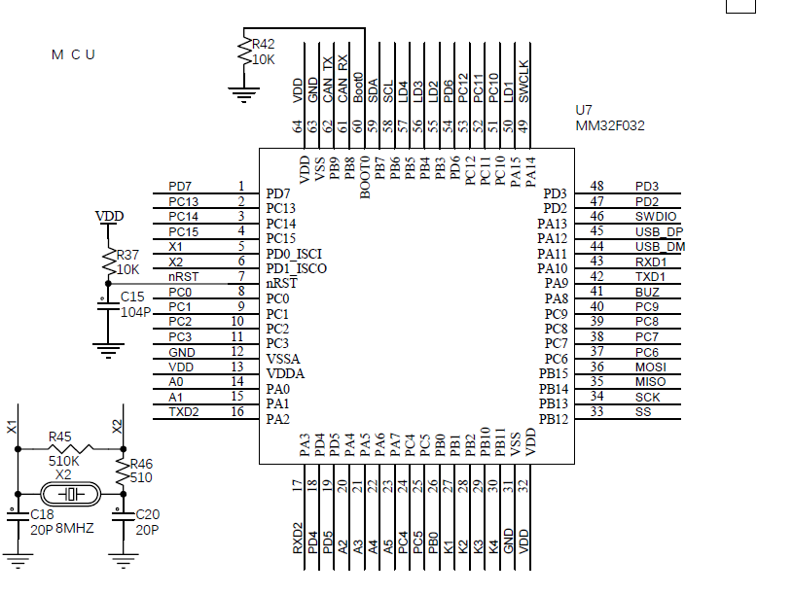
26 | VDD | VDD | PB0 | KEYPAD_0
27 | RA5/AN4/LVDIN | --- | PB1 | KEYPAD_1
28 | RA4/T0CKI | --- | PB2 | KEYPAD_2
29 | RC1/T1OSI/CCP2 | PWM_CCU_HEAT_AC | PB10 | CS1
30 | RC0/T1OSO/T13CKI | BACKLIGHT | PB11 | CS2
31 | RC6/TX/CK | UART_TX | VSS
32 | RC7/RX/DT | UART_RX | VDD
33 | RC2/CCP1/P1A | PWM_CCU_FAN_OUTLET | PB12 | CS3
34 | RC3/SCK/SCL | SCL | PB13 | A0
35 | RC4/SDI/SDA | SDA | PB14 | A1
36 | RC5/SDO | --- | PB15 | A2
37 | RB7/KBI3/PGD | PROG_DAT | PC6 | LCD_D6
38 | VDD | VDD | PC7 | LCD_D7
39 | OSC1/CLKI | OSCI (10MHz) | PC8 | LCD_WR
40 | OSC2/CLKO/RA6 | OSCO (10MHz) | PC9 | LCD_RD
41 | VSS | VSS | PA8 | PWM_CCU_HEAT_AC
42 | RB6/KBI2/PGC | PROG_CLK | PA9 | PWM_CCU_FAN_OUTLET
43 | RB5/KBI1/PGM | KEYPAD_5 | PA10
44 | RB4/KBI0 | KEYPAD_4 | PA11_USBDM
45 | RB3/INT3 | KEYPAD_3 | PA12_USBDP
46 | RB2/INT2 | KEYPAD_2 | PA13 | SWDIO/PROG_DAT
47 | RB1/INT1 | KEYPAD_1 | PD2 | APU_RUN
48 | RB0/INT0 | KEYPAD_0 | PD3 | APU_START
49 | RD7/PSP7 | LCD_D7 | PA14 | SWDCLK/PROG_CLK
50 | RD6/PSP6 | LCD_D6 | PA15
51 | RD5/PSP5 | LCD_D5 | PC10 | LCD_CS1B
52 | RD4/PSP4 | LCD_D4 | PC11 | LCD_RST
53 | RD3/PSP3 | LCD_D3 | PC12 | LCD_RS
54 | RD2/PSP2 | LCD_D2 | PD6 | ALT_OFF
55 | RD1/PSP1 | LCD_D1 | PB3 | KEYPAD_3
56 | VSS | VSS | PB4 | KEYPAD_4
57 | VDD | VDD | PB5 | KEYPAD_5
58 | RD0/PSP0 | LCD_D0 | PB6 | SCL
59 | RE7/CCP2/AD15 | APU_RUN | PB7 | SDA
60 | RE6/P1B/AD14 | APU_START | BOOT0
61 | RE5/P1C/AD13 | ALT_OFF | PB8 | CAN_RX
62 | RE4/AD12 | LCD_CS1B | PB9 | CAN_TX
63 | RE3/AD11 | LCD_RST | VSS
64 | RE2/-CS/AD10 | LCD_RS | VDD

